5. Vendor Registration
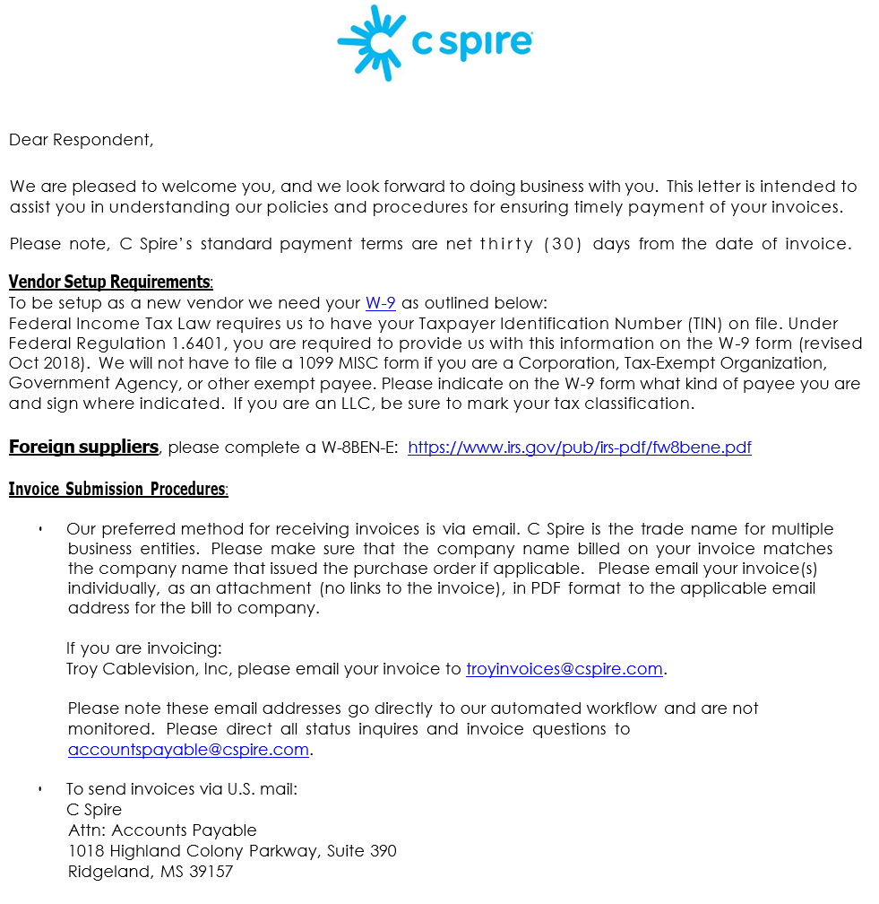
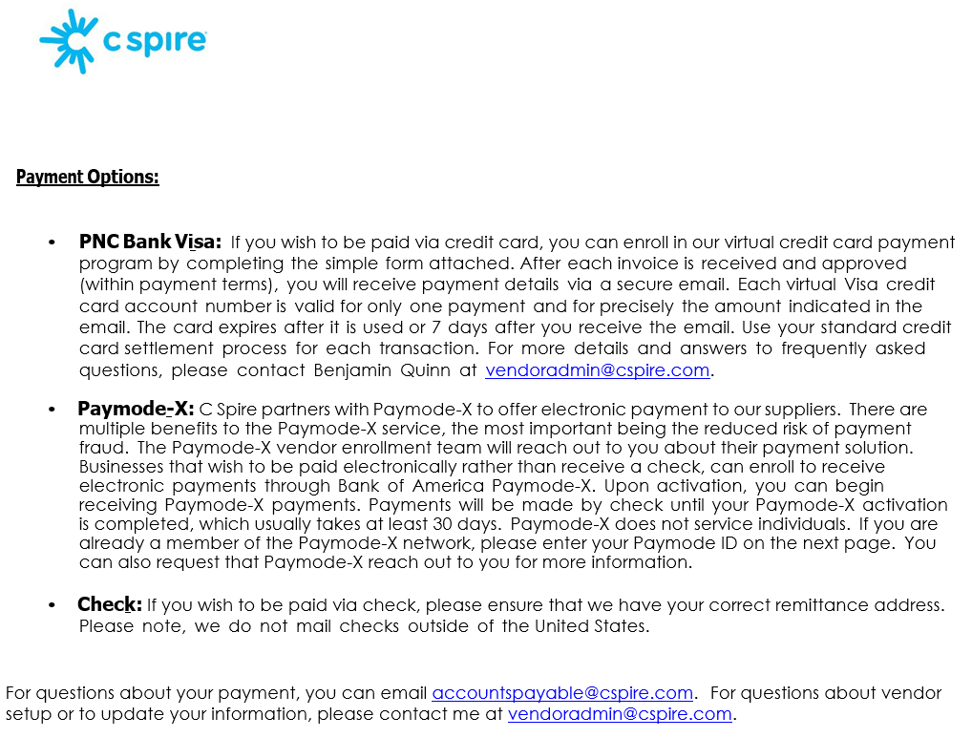
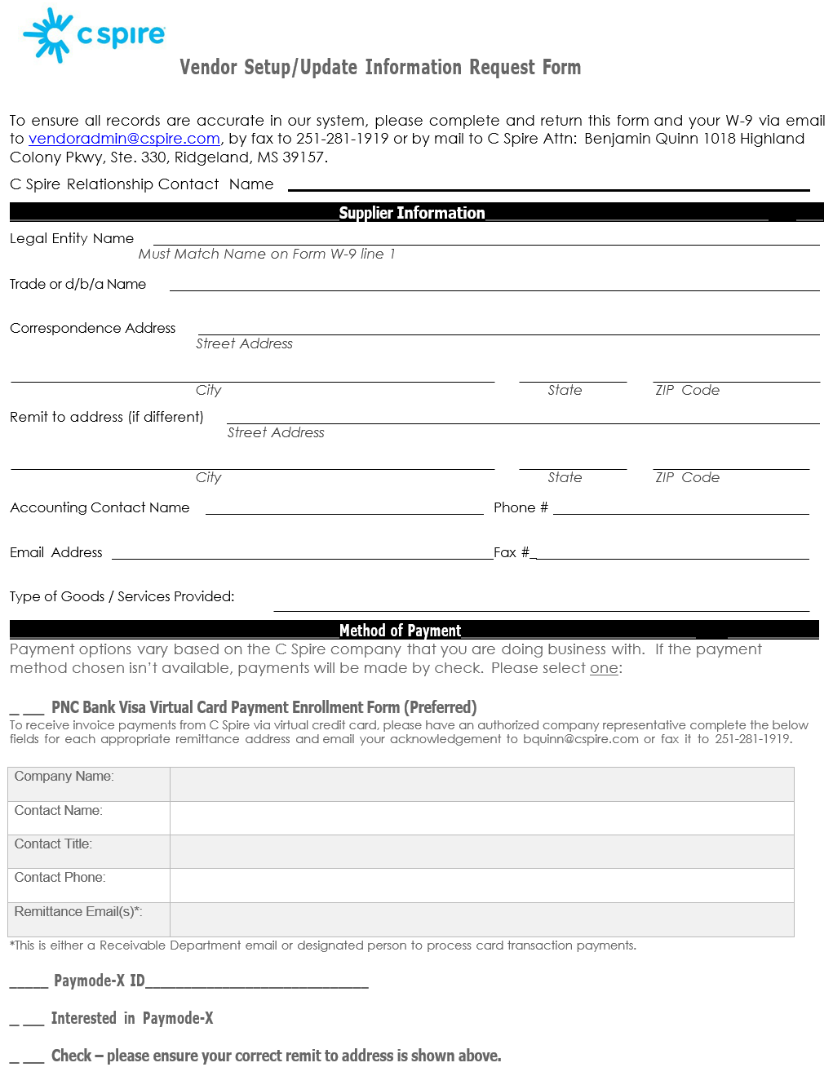
Troy Cablevision, Inc., dba C Spire Middle Mile Broadband Infrastructure Grant (MMG) Program for Connect Alabama Project Network Construction Services RFP, Pricing Sheet RFP Number: MMG120224_Construction Services

